Interface
Use the drop down menus to change turtle age, breeding age, years between nesting and average number of clutches in a season.
What is the impact on how many eggs a female produces in her lifetime?
How many hatchlings are likley to survive?
Create your own interface using data in the algorithm tab.
Leatherback turtle: hatchling production modeller
Age of the turtle | 25 |  | Total number of eggs over lifetime | 459 | Select from the drop down menu for the values in the green cells.
Breeding age (age when the female reaches maturity) | 18 | 7 | Number of offspring that survive from this female | 0
Years between nesting | 5 | 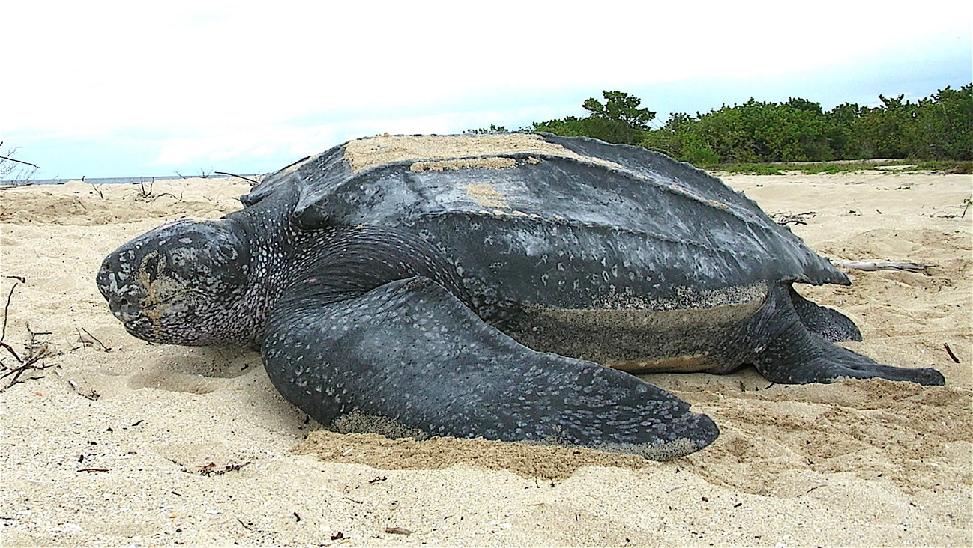 1.4 |  |  | Look at the effect on the number of eggs laid over her lifetime.
Number of clutches in a season | 4 | 82 | 328
Chance of survival (one out of ... | 1000 |  |  |  | The highlighted red cell means that the turtle has not yet reached breeding age.

