INSTRUCTIONS
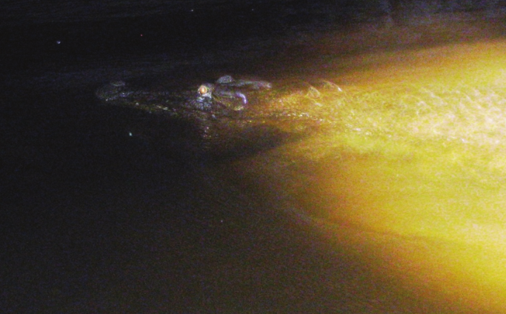
Croc survey

Collect your own croc survey data.
You can be the scientist spotting crocs.
Select the head size and see the estimated length.
Use your data to create your own graphs.
 |  | Image: Courtesy of Yusuke Fukuda
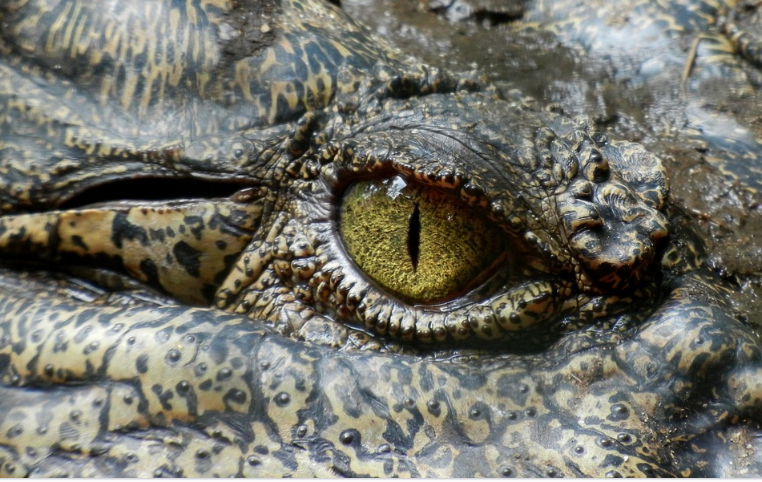
 |  |  | Scientist study crocs to learn about them.

 |  |  | They travel by boat upstream shining a torch along the river.

 |  |  | At night crocodile's eyes reflect light.

 |  |  | The scientist esimates the length of the croc based on the length of its head.

 |  |  | Eyeshine (EO) is recorded when the croc is spotted but an estimate cannot be made.

 | Select green tab to start collecting data.

MY DATA TABLE 1 GRAPH
This graph uses data in My data Table 1. As you add data in that table the graph will show that data in columns.

Crocs grouped by size (m)
Hatchling | 0
Juvenile | 0
Young adult | 0
Adult | 0
EO | 0

MY DATA TABLE 2 Scatter plot
This graph uses data in My data Table 2. As you add data in that table the graph will show data plotted as a point.
Notice how data for the head size and the estimated length are shown as one point on the scatter plot graph.

Saltwater croc head size (cm) against estimated length (m)
 | Estimated length (m)

Compare graphs
This sheet has different graphs using data in Table 2. It is set up to help work out which graph is best to use.
Use the table to add your data.
What does each graph show? Which graph best presents the data?
My data: Table 2 |  | For pie graph we need data as a %

Proportion head to length
Croc head size against estimated length (cm)
 | Estimated length cm
5 | 39
12 | 96
20 | 163
30 | 271
45 | 367
60 | 465
Head size (cm) | Estimated length cm | Head length/Estimated length x 100

5 | 39 | 5%
12 | 96 | 7%
20 | 163 | 7%
30 | 271 | 8%
45 | 367 | 10%
60 | 465 | 13%

Proportion head to length

Croc head size and estimated length (cm)
 | Head size (cm) | Estimated length cm
 | 5 | 39
 | 12 | 96
 | 20 | 163
 | 30 | 271
 | 45 | 367
 | 60 | 465
Proportion head to length

Proportion head to length

Croc head size and estimated length (cm)
 | Head size (cm) | Estimated length cm
 | 5 | 39
 | 12 | 96
 | 20 | 163
 | 30 | 271
 | 45 | 367
 | 60 | 465

Proportion head to length

