Instructions
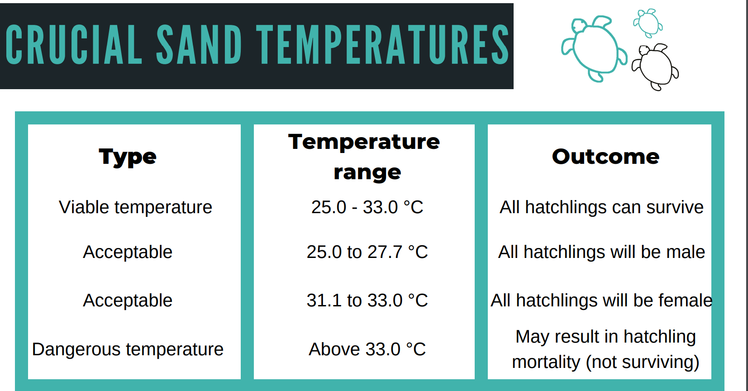
Key question: During which times of the year is this nesting site most viable for the flatback marine turtle to successfully produce hatchlings?
Consider how useful the use of average temperature is, in your answer.
Site 4: Shark bay, WA
Site location: Latitude -25.75716667, Longitude 113.6649167

Dataset: The sand temperature has been recorded at a nesting site at a depth of 50cm (nesting depth).
Survey period: (Jan 2017-Jan 2018)

Important information
Nesting: Marine turtles nest all year round.
Incubation: Marine turtle eggs require 60 days on average for hatchlings to emerge.
During this 60 days the nest temperature is important for their survival.
Nest temperature: The temperature of the nest determines the sex of the hatchings.
The pivotal temperature for flatback turtles is around 28-29°C.
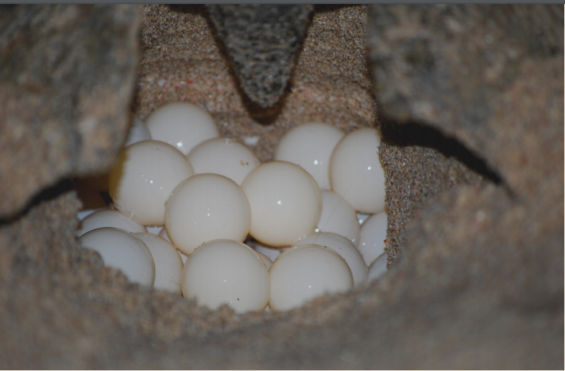
At the ‘pivotal’ temperature 50% of hatchlings will be male, 50% female.

To help you the RAW DATA has been organised in the tabs below.

RAW DATA: This data has not been cleaned up. Dates are in month/day/year (MDY) and combined with time in one cell.
Data by month: | Organised to easily sort and filter data by month. Date in Day/Month/Year (DMY)
DAILY Temp at 2.00pm | Data includes the temperature recorded at 2.00 pm everyday during the period.

