INSTRUCTIONS
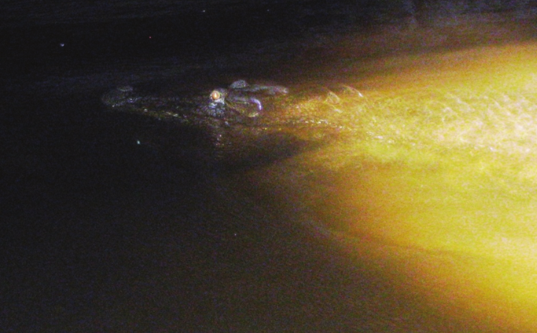
Croc data

Scientists study crocs to learn about them.
Use the data to learn more about the croc population.
Data has been organised in different ways in each tab.
Select a tab that helps you answer a question.
 |  | Image: Courtesy of Yusuke Fukuda

RAW DATA: This data has not been cleaned up.
Sort and filter | What is the largest crocodile spotted? Sort by length largest to smallest. Do different sized crocs prefer a location? Sort and filter data by location then length.
Length only : | Organised to easily create a population graph.
Group by length: | Organised to easily group by length and create a graph.
Data 1978, 1986, 2015 | Organised to easily create a graph and see how well the croc population has recovered from being hunted prior to 1970.

